Sheet1
PRODUCT | ITEM CODE | DESCRIPTION | IMAGE | PACKAGING | PRICE EACH
Augur, 18mm, 18mm x 450mm, (3/4inch x 18 inch) | AUG 505 | For use with drill when preparing wooden poles for the UPB bracket |  | 1 | £21.50
Banding Clips, Stainless Steel 2mm | BIB 20 | Used for installing Telenco stainless steel banding |  | 100 | £17.93 per 100
Banding Tensioning Tool | BTS | Used for installing Telenco stainless steel banding | 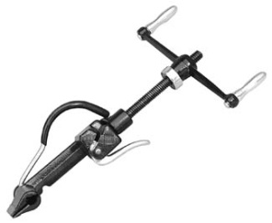 | 1 | £76.13
Banding, Stainless Steel 20mm x 0.7 mm x 50Mts. | BSS 207 | Used to install the UPB bracket on steel and concrete poles | 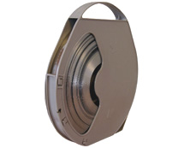 | 1 | £29.52
Binding-In Spiral 16mm | BIS 16 | Binding-in of stripped out steel on figure-8 cables, repairing lashed cable. Abrasion Protector |  | 10 | £5.53
Binding-In Spiral 25mm | BIS 25 | Binding-in of stripped out steel on figure-8 cables, repairing lashed cable. Abrasion Protector |  | 10 | £6.49
Binding-In Spiral 33mm | BIS 33 | Binding-in of stripped out steel on figure-8 cables, repairing lashed cable. Abrasion Protector |  | 10 | £7.72
Binding-In Spiral 40mm | BIS 40 | Binding-in of stripped out steel on figure-8 cables, repairing lashed cable. Abrasion Protector | 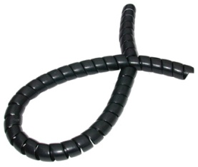 | 10 | £9.46
Bolt, Securing 10mm x 150mm | BH10 x 150 | Used for installing the WPU to the BPU through Cladded buildings in back to back situations |  | 10 | £1.25
Bolt, Securing 10mm x 450mm | BH10 x 450 | Used for installing the WPU to the BPU through Cladded buildings in back to back situations |  | 10 | £2.96
Bolt, Securing 16mm x 100mm | BH16 x 100 | Used for installing the UPB bracket on Extender aluminium poles XP 243 |  | 10 | £2.23
Bolt, Securing 16mm x 150mm | BH16 x 150 | Used for installing back to back UPB bracket on galvanised steel poles |  | 10 | £2.31
Bolt, Securing 16mm x 250mm | BH16 x 250 | Used for installing the UPB bracket on drilled wooden poles |  | 10 | £2.54
Bolt, Securing 16mm x 350mm | BH16 x 350 | Used for installing the UPB bracket on drilled wooden poles in back to back situations or with the HAC- J Hook and ARC |  | 10 | £2.65
Bolt, Threaded Stock 500mm M10 | BTS 500 | Allthread stock bolt. For use with WPU and BPU in situations where long lengths are required. E.g. over girders. |  | 10 | £1.63
Bolt, Wall Anchor 10mm x 80mm | BWA 1080 | 10mm x 80mm Wall anchor bolt for fixing into brickwork, concrete or blockwork use with a 10mm Drill Bit BDMT 10 |  | 10 | £2.87
Bracket, Telenco Universal Termination | UPB | Mounting system for fixing aerial cable clamps in both new & retrofit installations onto the Universal Wall Plate (UWP) or all poles | 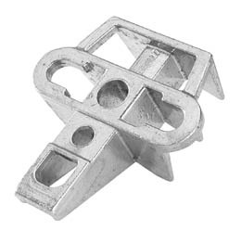 | 10 | £6.20
Cable Cutter, Ratchet Ø 52mm | CCR 1186 | Enables easy, single handed cutting of figure-8 Fibre & copper cable |  | 1 | £341.33
Clamp, Aerial Cable Relief 1 | ARC 1 | Used in cable installations together with the HAC for the suspension of aerial cables in line of route or shallow angles where cable sheath remains intact |  | 10 | £6.47
Clamp, Aerial Cable Relief 2 | ARC 2 | Used in retrofit installations for the suspension of aerial cables in line of route or for shallow angles in conjunction with the HAC (bare steel) |  | 10 | £5.48
Clamp, In-Line for bare wire multistrand splice | ILC 44 | Used for joining bare support wires in mid-span; used with BIS as protector or cover | 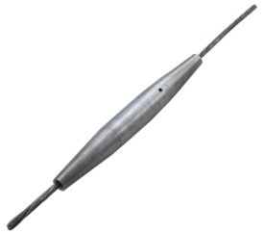 | 5 | £23.15
Clamp, Staywire 63 (Route Stability Clamp) | SWC 63 | Used for terminating staywire to lower leg of UPB and to anchor stays | 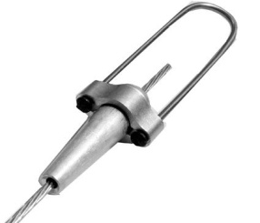 | 10 | £17.73
Clamp, Terminating Aerial Cable, Bare Wire 4.47mm | BWC 44 | Used for terminating bare wire multistrand aerial cable: Either fibre or copper pairs |  | 10 | £15.77
Clamp, Terminating Insulated Aerial Cable | AC 10- 320 | Used for terminating insulated multistrand aerial cable: Either fibre or copper pairs | 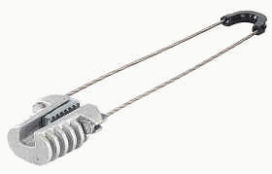 | 10 | £14.40
Cutter, Stainless Steel Band 7in. | BCT 7 | Used for cutting Telenco stainless steel banding |  | 1 | £23.87
Drill, Battery Operated 24 V | DT 1532 | For drilling access holes |  | 1
Dynamometer, 1000 daN | DYN 1820 | For accurately measuring the stringing tension of aerial cable |  | 1 | £954.67
Earthing & Bonding Clamp, EC 13 | EC 13 | Used for earthing between support catenaries, insulated and bare wire, and earthing points or staywires | 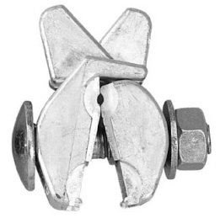 | 10 | £2.85
Earthing Wire, Ø 4.6mm insulated | EW I46 | Used for the earthing of aerial networks | 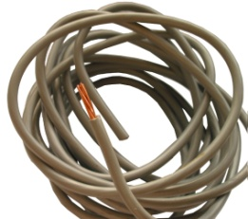 | Reel
Extention Pole | XP 243 | Double Galvanised Pole 51mm x 2.43 Metres. Fitted with 17mm hole and supplied with a 100mm galvanised bolt and nut at one end suitable for use with Bracket UPB. For use with Extender Wall Bracket (XWB) |  | 1 | £28.40
Extention Wall Bracket | XWB | 35cm x 5mm Wall Bracket, 320mm hole centres for fitting to walls or the outside of cladded or temporary buildings. 450mm stand-off arms fitted with two (2) U bolts to support a 51mm X 2.43 Mtr Extender Pole. Can also be used with the Universal Back Plate (BPU). Stay rib fitted on top arm. (SWC 63) |  | 1 | £49.54
Grip, Come Along (CAG 390) | CAG 390 | Used with tensioner for bringing aerial cables up to tension |  | 1 | £89.03
J-Hook (Banded or Bolted) | HAC | Used in conjunction with ARC 1 and ARC 2 for the suspension of cables in line of route or on shallow angles. | 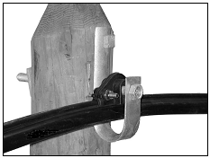 | 10 | £3.85
KIT NO 4: (CABLE TERMINATING KIT) | K1 KFW 1 | KIT NO 4: (CABLE TERMINATING KIT) 1 x BWC 44 Bare Wire Cable Clamp 1 x BIS 16 Binding-In Spiral 1 x UPB, Universal Bracket 2 x Catenary Wire Cable Cap |  | 1 | £34.70
KIT NO.1 (WALL FIXING KIT ) | K1 KFW 1 | KIT NO.1 (WALL FIXING KIT ) - 8 x Galvanised Steel Washers (10x38mm – WGS1038) - 8 x 45mm Neoprene Washers (WN) - 8 x Bolt, Wall Anchor (10x80mm – BWA1080) |  | 1 | £23.68
KIT NO.2 (CORRUGATED STEEL SKIN FIXING KIT) | K2 KFS 2 | KIT NO.2 (CORRUGATED STEEL SKIN FIXING KIT) 8 x Bolt 10 x 150 (BH10x150)16 x Neoprene Washers (WN) 16 x Galv Steel Washers (WGS1038) 8 x Nuts, Full M10 (Nut M10) |  | 1 | £29.68
KIT NO.3 (GIRDER FIXING KIT) | K3 KFS 3 | KIT NO.3 (GIRDER FIXING KIT) 8 x Bolt, Threaded Stock 500mm M10 (TSB500) 16 x 45mm Neoprene Washers (WN) 16 x Galv Steel Washers (10x30mm – WGS1030) 8 x Nuts, Dome, Galv Steel Hex Head M10 (SSDM 10) 8 x Nuts, Full M10 (Nut M10) |  | 1 | £41.28
Nuts, Dome: Galvanised Steel Hex M10 | NGD 10 | Galvanised Steel Dome nuts for external use with WPU, XWB and BPU |  | 10 | £1.68
Nuts, Full M10 | NUT M10 | For internal use wit TSB 500 stock thread. |  | 10 | £0.26
Plate, Galv. Steel, Universal Wall | PWU | 37cm x 37cm x 5mm Wall plate fitted with 16 x 60mm stud. 320mm x 11mm hole centres for fitting to walls or the outside of cladded or temporary buildings. V aperture attachment for tensioning or temporary hold. |  | 1 | £28.40
Plate,Galv Steel, Universal Back | PBU | 37cm x 37cm Back Wall plate. 320mm x 11mm hole centres for fitting to the inside of cladded or temporary buildings. Can be used with timber spreader plate, if required. For use with UWP Wall Plate and Extention Wall Bracket (XWB) |  | 1 | £24.60
Roller for use with with temporary holding bracket | RO 800 | Roller system used for the installation of fibre optic aerial cable; reduces bend-ratio problems. | 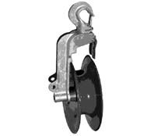 | 1 | £127.86
Spanner, 90° & Straight 13mm Box | SP 639 | Used for installing the ARC’s & the EC 13 Earthing and Bonding Clamp. |  | 10 | £1.93
Spreader Board 500 x 500 | SBW 2055 | Marine ply 20mm spreader board. 800mm x 600mm. Supplied with locating slots drilled to suit Universal Back Plate BPU and Extention Wall Bracket XWB. Paint and preservative applied for interior or external use. |  | 1 | £37.80
Stay Wire, 7x2mm | SW 720 | Used in the stay system to ensure route stability |  | Metre | £1.94
Temporary Holding Bracket & Belt for Roller | THBB | Stand-off bracket and belt for supporting RO 800 Roller onto poles and other structures |  | 1 | £34.53
Tensioner, Chain | TCP 750 | Hand operated tool for bringing aerial cables up to tension |  | 1 | £238.53
Washer, Galvanised Steel 10x30 | WGS 1038 | For external and internal use with WPU, XWB and BPU when using TSB 500. Used over PWM10 |  | 10 | £0.38
Washer, Neoprene M8 x 45 x 1.5 | WN 4515 | For external and internal use with WPU, XWB and BPU when using BTS 500. Used under PWM10 |  | 10 | £0.45
Washer, Plain M10. | WPM10 | For external and internal use with WPU, XWB and BPU when using TSB 500. Used over PWM10 |  | 10 | £0.19

